Emails-Id
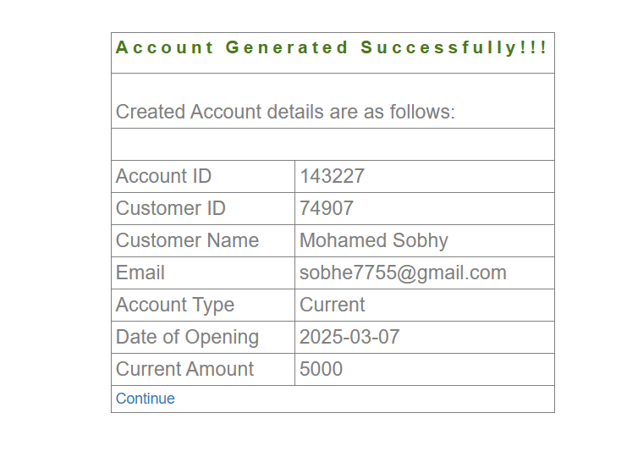
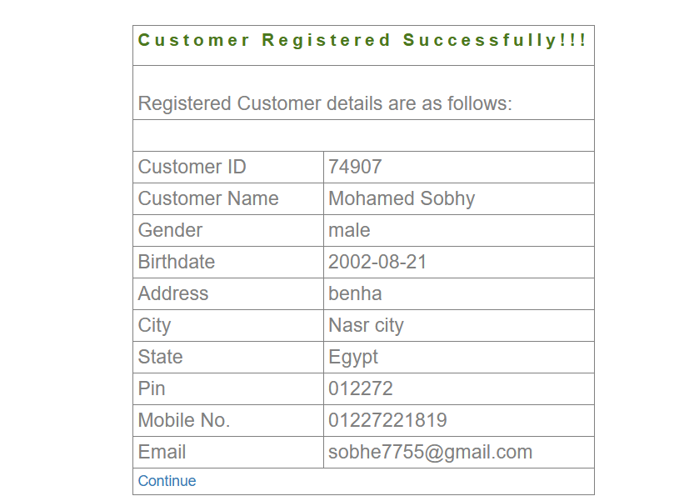
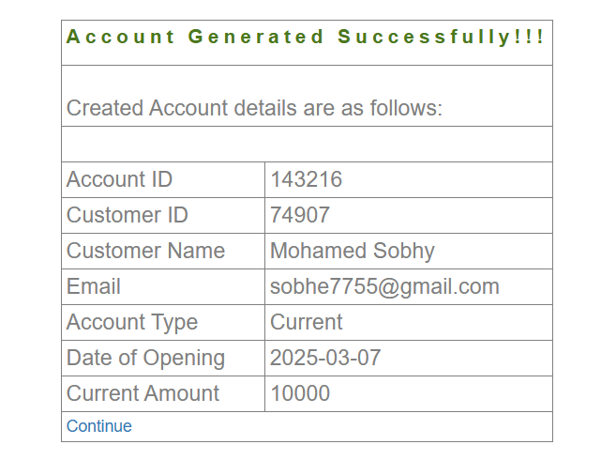
Email IDs | Password | Name
mngr611196 | UzYjebe | Shahd Mahmoud
mngr611195 | bAjutEj
mngr612179 | gapuzaj | sobhy

